ソース
日付 | 2023.1.9
ソース | FAO
 | https://www.fao.org/faostat/en/#data/TM

更新方法 | 各シートの構成について
 | ・各種のピポットデータ（シート名がPTで始まるシートのデータ）は、「PT元データ」のシートに由来する。
 | ・「PT元データ」のシートのデータは、クエリで「元データ」シートにある「Table１」を参照しています。

 | 更新方法について
 | １．① 「元データ」シートのデータ直接更新する。 もしくは、②シートごと交換する
 | ②の場合は、Table1が重複しないように元のシートは削除し、追加したシートのテーブル名は「Table1」にする。
 | 追加したシートのシート名は変更しても問題なし（Table1をしていしているため。）
 | ２．PT元データのテーブルのどこかのセルを選択し、右クリックで「更新」を行う。
 | するとクエリにより更新or交換したデータを読みに行く。
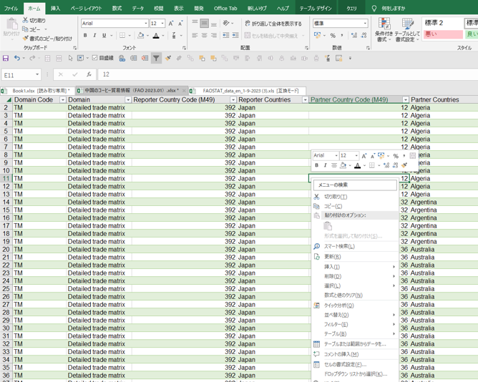

 | ３．各PTを選択し、右クリックで「更新」を行う。
 | 多分、ひとつのピボットテーブルを更新したら他のピボットも更新される。

